
 |  |  |  | CODE: |  |  | pl1060BC aa SN from 98L000
DESCRIPTION: |  | ELECTRIC UNIT 1 |  | ELEKTRISCHE GRUPPE 1 | GROUPE ELECTRIQUE 1 | GRUPO ELÉCTRICO 1 | PARTI ELETTRICHE 1
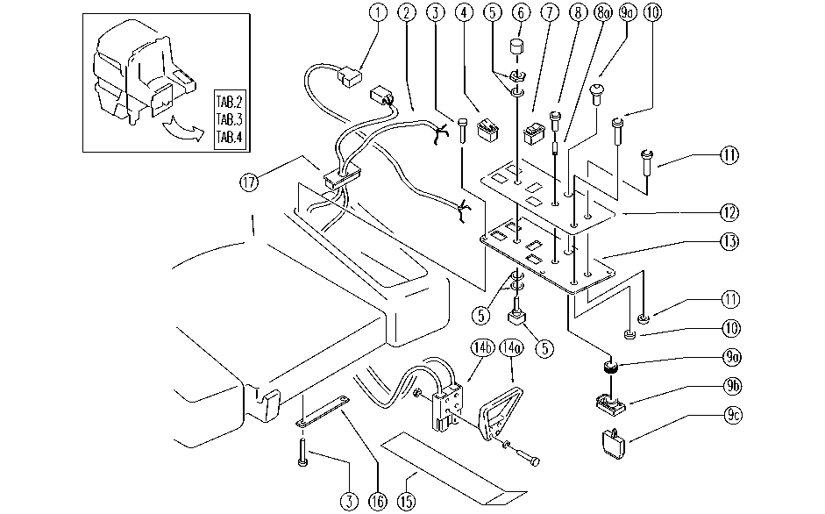

REF. | CODE | DESCRIPTION | QT
1 | GR23478BC | CONTROL PANEL UNIT | 1
2 | GR23479 | WIRING UNIT | 1
3 | SL04223 | SCREW | 10
4 | E86423 | Bipolar Switch | 2
5 | E86837 | Potentiometer | 1
6 | E86644 | Knob for Potentiometer | 1
7 | E86832 | Switch for Move - Head | 2
8 | E86421 | Reflector | 1
8a | E86640 | Control Battery Light | 1
9a | E86840 | Keyless Switch | 1
9b | E86988 | Operator | 1
9c | E86988 | Operator | 2
 | E86830 | Horn Switch | 1
 | SL23461-1 | PUSH-BUTTON | 1
10 | E88116 | Push Button Horn | 1
 | E86909 | AS30/36 Reverse Switch | 1
 | E86909 | AS30/36 Reverse Switch | 1
 | E88116 | Push Button Horn | 1
11 | E88116 | Push Button Horn | 1
 | E88116 | Push Button Horn | 1
 | E86909 | AS30/36 Reverse Switch | 1
12 | E86935 | Decal, Control Panel | 1
13 | SL09750 | PLATE | 1
14a | E86947 | Handle Plug, Anderson | 1
14b | E86946 | Anderson Plug, 160 AC | 1
15 | SL09917 | PLATE | 1
16 | SL09526 | SUPPORT | 3
17 | SL14230 | TERMINAL | 1

